Cover
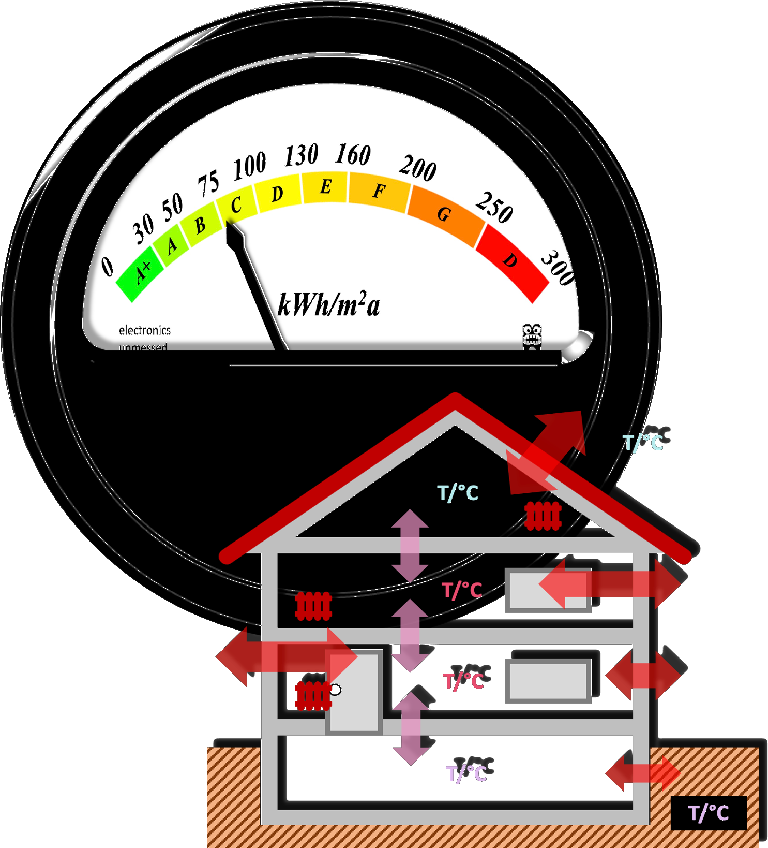

Cool experiments and tools for hobbyists and
future professionals



Tutorial on YouTube!

Cool Tool: | Computation of Thermal Insulation

 |  | Envirnoment & Target Temperatures
 |  | Building Properties & Termal Conductance
 |  | Thermal Energy from Electrical Consumption, Sun, Persons
 |  | Thermal Energy Flows with and without Heating
 |  | Efficiency Class, CO2, Economics

Version 20.12.2022 Version 1.4, all features realized & tested

For non-commercial use only!

Environment & Targets
 | 6,166406663 |  | deg
3.7968560613 | 6.1664066625 | 4.6 | 11.884200076
4.6 | 2.35 | 9
9


 |  |  |  |  |  |  |  | %
 |  |  |  |  |  |  |  | Wert |  | Energy Performance: |  | 114 | kWh/am2 | 114 | kWh/am2 | 1 | kWh/am2
 |  |  |  |  |  |  |  | 38.115799924
 |  |  |  |  |  |  |  |  |  | Environment & Target Temperatures
 |  |  |  |  |  |  |  |  | input

 |  |  |  |  |  |  |  |  |  | Average Outside Temperature

 |  |  |  |  |  |  |  |  |  |  |  | Jan | Feb | Mar | Apr | Mai | Jun | Jul | Aug | Sep | Okt | Nov | Dez
 |  |  |  |  |  |  |  |  |  |  | night / °C | -1.0 | 0.0 | 3.0 | 6.0 | 10.0 | 14.0 | 16.0 | 15.0 | 12.0 | 8.0 | 3.0 | 1.0
 |  |  |  |  |  |  |  |  |  |  | day / ° C | 5.0 | 7.0 | 11.0 | 16.0 | 20.0 | 23.0 | 25.0 | 25.0 | 21.0 | 16.0 | 9.0 | 6.0
 |  |  |  |  |  |  |  |  |  |  | in the ground / °C | 12.0 | 12.5 | 13.0 | 14.0 | 14.5 | 15.0 | 15.0 | 15.0 | 14.5 | 14.0 | 13.5 | 13.0

 |  |  |  |  |  |  |  |  | input

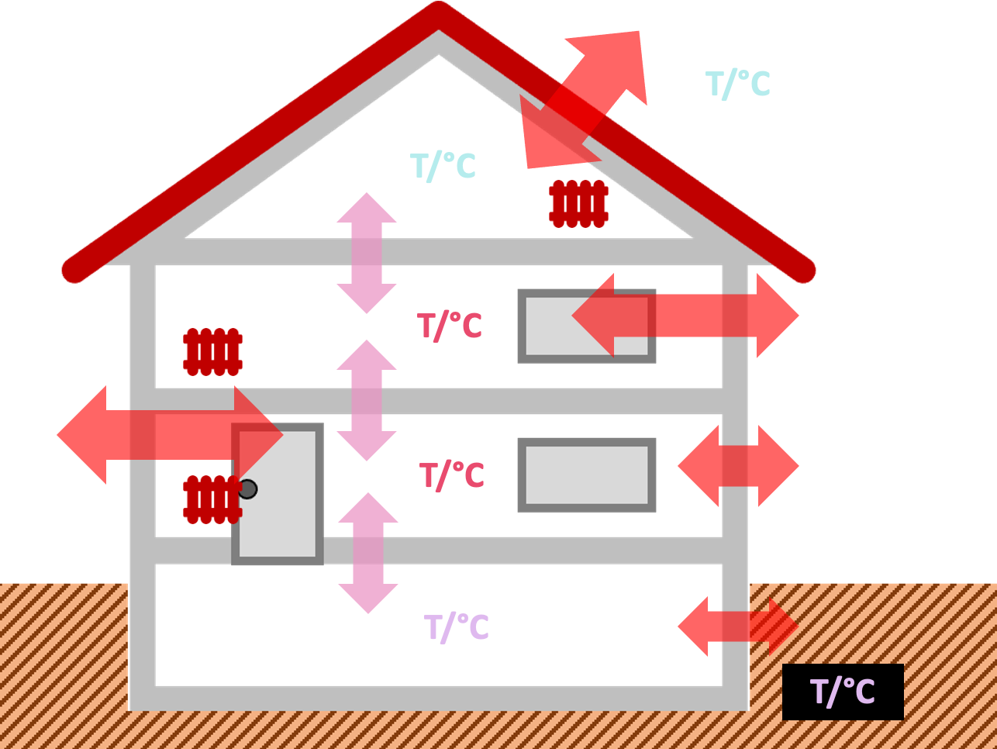
 |  |  |  |  |  |  |  |  |  | Target Temperatures |  | heat & ac | on |  | Electr | off |  | Sun | off |  | Persons | off
 |  |  |  |  |  |  |  |  |  |  |  |  | off
 |  |  |  |  |  |  |  |  |  | heat & ac | Night | Jan | Feb | Mar | Apr | Mai | Jun | Jul | Aug | Sep | Okt | Nov | Dez
 |  |  |  |  |  |  |  |  |  | on | Attic Floor | 17.0 | 17.0 | 17.0 | 17.0 | 17.0 | 17.0 | 17.0 | 17.0 | 17.0 | 17.0 | 17.0 | 17.0
 |  |  |  |  |  |  |  |  |  |  |  | 17.0 | 17.0 | 17.0 | 17.0 | 17.0 | 17.0 | 17.0 | 17.0 | 17.0 | 17.0 | 17.0 | 17.0
 |  |  |  |  |  |  |  |  |  | on | First Floor | 18.0 | 18.0 | 18.0 | 18.0 | 18.0 | 18.0 | 18.0 | 18.0 | 18.0 | 18.0 | 18.0 | 18.0
 |  |  |  |  |  |  |  |  |  |  |  | 18.0 | 18.0 | 18.0 | 18.0 | 18.0 | 18.0 | 18.0 | 18.0 | 18.0 | 18.0 | 18.0 | 18.0
 |  |  |  |  |  |  |  |  |  | on | Ground Floor | 19.0 | 19.0 | 19.0 | 19.0 | 19.0 | 19.0 | 19.0 | 19.0 | 19.0 | 19.0 | 19.0 | 19.0
 |  |  |  |  |  |  |  |  |  |  |  | 19.0 | 19.0 | 19.0 | 19.0 | 19.0 | 19.0 | 19.0 | 19.0 | 19.0 | 19.0 | 19.0 | 19.0
 |  |  |  |  |  |  |  |  |  | off | Basement | 18.0 | 18.0 | 18.0 | 18.0 | 18.0 | 18.0 | 18.0 | 18.0 | 18.0 | 18.0 | 18.0 | 18.0
 |  |  |  |  |  |  |  |  |  |  |  | 12.3 | 12.8 | 13.4 | 14.3 | 15.0 | 15.6 | 15.8 | 15.7 | 15.1 | 14.5 | 13.7 | 13.2

 |  |  |  |  |  |  |  |  |  | heat & ac | Day | Jan | Feb | Mar | Apr | Mai | Jun | Jul | Aug | Sep | Okt | Nov | Dez
 |  |  |  |  |  |  |  |  |  | on | Attic Floor | 22.0 | 22.0 | 22.0 | 22.0 | 22.0 | 25.0 | 25.0 | 25.0 | 22.0 | 22.0 | 22.0 | 22.0
 |  |  |  |  |  |  |  |  |  |  |  | 22.0 | 22.0 | 22.0 | 22.0 | 22.0 | 25.0 | 25.0 | 25.0 | 22.0 | 22.0 | 22.0 | 22.0
 |  |  |  |  |  |  |  |  |  | on | First Floor | 23.0 | 23.0 | 23.0 | 23.0 | 23.0 | 23.0 | 25.0 | 23.0 | 23.0 | 23.0 | 23.0 | 23.0
x | y | 1 |  |  |  | r = | 3.9 |  |  |  |  | 23.0 | 23.0 | 23.0 | 23.0 | 23.0 | 23.0 | 25.0 | 23.0 | 23.0 | 23.0 | 23.0 | 23.0
3.7968560613 | 6.1664066625 | deg | alpha | x | y | xc = | 4.6 |  |  | on | Ground Floor | 23.0 | 23.0 | 23.0 | 23.0 | 23.0 | 23.0 | 23.0 | 23.0 | 23.0 | 23.0 | 23.0 | 23.0
4.6 | 2.35 | 11.884200076 | 0.20741842029 | 3.7968560613 | 6.1664066625 | yc = | 2.35 |  |  |  |  | 23.0 | 23.0 | 23.0 | 23.0 | 23.0 | 23.0 | 23.0 | 23.0 | 23.0 | 23.0 | 23.0 | 23.0
9 |  |  |  | 4.6 | 2.35 |  |  |  |  | off | Basement | 20.0 | 20.0 | 20.0 | 20.0 | 20.0 | 20.0 | 20.0 | 20.0 | 20.0 | 20.0 | 20.0 | 20.0
 |  |  |  |  |  |  |  |  |  |  |  | 13.5 | 14.0 | 14.6 | 15.7 | 16.4 | 17.0 | 17.1 | 17.1 | 16.5 | 15.7 | 14.9 | 14.3

Building Prop & Tariffs
 | 6,166406663 |  | deg
3.7968560613 | 6.1664066625 | 4.6 | 11.884200076
4.6 | 2.35 | 9
9

 |  |  |  |  |  |  |  | %
 |  |  |  |  |  |  |  | Wert |  | Energy Performance: |  | 114 | kWh/am2 | 114 | kWh/am2 | 1 | kWh/am2
 |  |  |  |  |  |  |  | 38.115799924
 |  |  |  |  |  |  |  |  |  | Building Properties & Tariffs
 |  |  |  |  |  |  |  |  | input

 |  |  |  |  |  |  |  |  |  | Interfaces that conduct thermal energy

 |  |  |  |  |  |  |  |  |  |  | Interface Area / m2 | Wall Outside | Roof Outside | Window Outside | Door Outside | Attic Floor | First Floor | Ground Floor | Basement | Outside Ground
 |  |  |  |  |  |  |  |  |  |  | Wall Outside |  |  |  |  | 40.0 | 100.0 | 100.0 | 20.0
 |  |  |  |  |  |  |  |  |  |  | Roof Outside |  |  |  |  | 130.0
 |  |  |  |  |  |  |  |  |  |  | Window Outside |  |  |  |  | 20.0 | 20.0 | 20.0 | 2.0
 |  |  |  |  |  |  |  |  |  |  | Door Outside |  |  |  |  | 2.0 | 2.0 | 10.0 | 2.0
 |  |  |  |  |  |  |  |  |  |  | Attic Floor | 40.0 | 130.0 | 20.0 | 2.0 |  | 100.0
 |  |  |  |  |  |  |  |  |  |  | First Floor | 100.0 | 0.0 | 20.0 | 2.0 | 100.0 |  | 100.0
 |  |  |  |  |  |  |  |  |  |  | Ground Floor | 100.0 | 0.0 | 20.0 | 10.0 | 0.0 | 100.0 |  | 100.0
 |  |  |  |  |  |  |  |  |  |  | Basement | 20.0 | 0.0 | 2.0 | 2.0 | 0.0 | 0.0 | 100.0 |  | 200.0
 |  |  |  |  |  |  |  |  |  |  | Outside Ground | 0.0 | 0.0 | 0.0 | 0.0 | 0.0 | 0.0 | 0.0 | 200.0

 |  |  |  |  |  |  |  |  | input

 |  |  |  |  |  |  |  |  |  | Conductivity of Interfaces

 |  |  |  |  |  |  |  |  |  |  | U-Value W/Km2 | Wall Outside | Roof Outside | Window Outside | Door Outside | Attic Floor | First Floor | Ground Floor | Basement | Outside Ground
 |  |  |  |  |  |  |  |  |  |  | Wall Outside |  |  |  |  | 1.4 | 1.4 | 1.4 | 1.4
 |  |  |  |  |  |  |  |  |  |  | Roof Outside |  |  |  |  | 0.2
 |  |  |  |  |  |  |  |  |  |  | Window Outside |  |  |  |  | 2.0 | 2.0 | 2.0 | 2.0
 |  |  |  |  |  |  |  |  |  |  | Door Outside |  |  |  |  | 0.0 | 1.0 | 1.0 | 2.0
 |  |  |  |  |  |  |  |  |  |  | Attic Floor | 1.4 | 0.2 | 2.0 | 0.0 |  | 0.9
 |  |  |  |  |  |  |  |  |  |  | First Floor | 1.4 | 0.0 | 2.0 | 1.0 | 0.9 |  | 0.9
x | y | 1 |  |  |  | r = | 3.9 |  |  |  | Ground Floor | 1.4 | 0.0 | 2.0 | 1.0 | 0.0 | 0.9 |  | 0.9
3.7968560613 | 6.1664066625 | deg | alpha | x | y | xc = | 4.6 |  |  |  | Basement | 1.4 | 0.0 | 2.0 | 2.0 | 0.0 | 0.0 | 0.9 |  | 1.9
4.6 | 2.35 | 11.884200076 | 0.20741842029 | 3.7968560613 | 6.1664066625 | yc = | 2.35 |  |  |  | Outside Ground | 0.0 | 0.0 | 0.0 | 0.0 | 0.0 | 0.0 | 0.0 | 1.9
9 |  |  |  | 4.6 | 2.35
 |  |  |  |  |  |  |  |  | input

 |  |  |  |  |  |  |  |  |  | Energy and CO2

 |  |  |  |  |  |  |  |  |  |  | kg / kWh | 0.201 | (e.g. 1 kWh energy -> 0,2 kg CO2)
 |  |  |  |  |  |  |  |  |  |  | ct Tax for CO2 € / kg | 2.5 | (will increase to 5,5 ct)

 |  |  |  |  |  |  |  |  |  | Tariffs

 |  |  |  |  |  |  |  |  |  |  | Heating ct/kWh | 8.5 | (cost electricity, gas, oil, .. )
 |  |  |  |  |  |  |  |  |  |  | AirCon ct/kWh | 20.0 | (e.g. with 300% heat pump efficiency)

 |  |  |  |  |  |  |  |  |  | Cost total

 |  |  |  |  |  |  |  |  |  |  | Heating / € | 5,001 |  | CO2 € / kg | 9,137
 |  |  |  |  |  |  |  |  |  |  | AirCon € | 31 |  | CO2 € / kg | 56

Electricty
 | 6,166406663 |  | deg
3.7968560613 | 6.1664066625 | 4.6 | 11.884200076
4.6 | 2.35 | 9
9

 |  |  |  |  |  |  |  | %
 |  |  |  |  |  |  |  | Wert |  | Energy Performance: |  | 114 | kWh/am2 | 114 | kWh/am2 | 1 | kWh/am2
 |  |  |  |  |  |  |  | 38.115799924
 |  |  |  |  |  |  |  |  |  | Electricity Waste Heat (considered in economics calculation)
 |  |  |  |  |  |  |  |  | input

 |  |  |  |  |  |  |  |  |  | Average Electricity Consumption in the House (e.g. w/o AirCon) |  |  |  |  |  |  |  |  |  | consideration | off

 |  |  |  |  |  |  |  |  |  |  | Night | Jan | Feb | Mar | Apr | Mai | Jun | Jul | Aug | Sep | Okt | Nov | Dez
 |  |  |  |  |  |  |  |  |  |  | Attic Floor / W | 20 | 20 | 20 | 20 | 20 | 20 | 20 | 20 | 20 | 20 | 20 | 20
 |  |  |  |  |  |  |  |  |  |  | First Floor / W | 20 | 20 | 20 | 20 | 20 | 20 | 20 | 20 | 20 | 20 | 20 | 20
 |  |  |  |  |  |  |  |  |  |  | Ground Floor / W | 20 | 20 | 20 | 20 | 20 | 20 | 20 | 20 | 20 | 20 | 20 | 20
 |  |  |  |  |  |  |  |  |  |  | Basement / W | 60 | 60 | 60 | 60 | 60 | 60 | 60 | 60 | 60 | 60 | 60 | 60

 |  |  |  |  |  |  |  |  | input

 |  |  |  |  |  |  |  |  |  | Average Electricity Consumption in the House (e.g. w/o AirCon) |  |  |  |  |  |  |  |  |  | consideration | off

 |  |  |  |  |  |  |  |  |  |  | Day | Jan | Feb | Mar | Apr | Mai | Jun | Jul | Aug | Sep | Okt | Nov | Dez
 |  |  |  |  |  |  |  |  |  |  | Attic Floor / W | 400 | 400 | 400 | 400 | 400 | 400 | 400 | 400 | 400 | 400 | 400 | 400
 |  |  |  |  |  |  |  |  |  |  | First Floor / W | 500 | 500 | 500 | 500 | 500 | 500 | 500 | 500 | 500 | 500 | 500 | 500
 |  |  |  |  |  |  |  |  |  |  | Ground Floor / W | 550 | 550 | 550 | 550 | 550 | 550 | 550 | 550 | 550 | 550 | 550 | 550
 |  |  |  |  |  |  |  |  |  |  | Basement / W | 60 | 60 | 60 | 60 | 60 | 60 | 60 | 60 | 60 | 60 | 60 | 60

 |  |  |  |  |  |  |  |  |  | Totals Electricity Consumption (Length of Days considered - see Settings)

 |  |  |  |  |  |  |  |  |  |  | Night | Jan | Feb | Mar | Apr | Mai | Jun | Jul | Aug | Sep | Okt | Nov | Dez | Sum
 |  |  |  |  |  |  |  |  |  |  | Attic Floor / kWh | 0 | 0 | 0 | 0 | 0 | 0 | 0 | 0 | 0 | 0 | 0 | 0 | 0
 |  |  |  |  |  |  |  |  |  |  | First Floor / kWh | 0 | 0 | 0 | 0 | 0 | 0 | 0 | 0 | 0 | 0 | 0 | 0 | 0
x | y | 1 |  |  |  | r = | 3.9 |  |  |  | Ground Floor / kWh | 0 | 0 | 0 | 0 | 0 | 0 | 0 | 0 | 0 | 0 | 0 | 0 | 0
3.7968560613 | 6.1664066625 | deg | alpha | x | y | xc = | 4.6 |  |  |  | Basement / kWh | 0 | 0 | 0 | 0 | 0 | 0 | 0 | 0 | 0 | 0 | 0 | 0 | 0
4.6 | 2.35 | 11.884200076 | 0.20741842029 | 3.7968560613 | 6.1664066625 | yc = | 2.35
9 |  |  |  | 4.6 | 2.35
 |  |  |  |  |  |  |  |  |  | Totals Electricity Consumption (Length of Days considered - see Settings)

 |  |  |  |  |  |  |  |  |  |  | Day | Jan | Feb | Mar | Apr | Mai | Jun | Jul | Aug | Sep | Okt | Nov | Dez | Sum
 |  |  |  |  |  |  |  |  |  |  | Attic Floor / kWh | 0 | 0 | 0 | 0 | 0 | 0 | 0 | 0 | 0 | 0 | 0 | 0 | 0
 |  |  |  |  |  |  |  |  |  |  | First Floor / kWh | 0 | 0 | 0 | 0 | 0 | 0 | 0 | 0 | 0 | 0 | 0 | 0 | 0
 |  |  |  |  |  |  |  |  |  |  | Ground Floor / kWh | 0 | 0 | 0 | 0 | 0 | 0 | 0 | 0 | 0 | 0 | 0 | 0 | 0
 |  |  |  |  |  |  |  |  |  |  | Basement / kWh | 0 | 0 | 0 | 0 | 0 | 0 | 0 | 0 | 0 | 0 | 0 | 0 | 0

 |  |  |  |  |  |  |  |  |  | Totals Electricity Consumption (Length of Days considered - see Settings)

 |  |  |  |  |  |  |  |  |  |  | Year | Jan | Feb | Mar | Apr | Mai | Jun | Jul | Aug | Sep | Okt | Nov | Dez | Sum
 |  |  |  |  |  |  |  |  |  |  | Attic Floor / kWh | 0 | 0 | 0 | 0 | 0 | 0 | 0 | 0 | 0 | 0 | 0 | 0 | 0
 |  |  |  |  |  |  |  |  |  |  | First Floor / kWh | 0 | 0 | 0 | 0 | 0 | 0 | 0 | 0 | 0 | 0 | 0 | 0 | 0
 |  |  |  |  |  |  |  |  |  |  | Ground Floor / kWh | 0 | 0 | 0 | 0 | 0 | 0 | 0 | 0 | 0 | 0 | 0 | 0 | 0
 |  |  |  |  |  |  |  |  |  |  | Basement / kWh | 0 | 0 | 0 | 0 | 0 | 0 | 0 | 0 | 0 | 0 | 0 | 0 | 0

 |  |  |  |  |  |  |  |  |  |  | Totals Months / kWh | 0 | 0 | 0 | 0 | 0 | 0 | 0 | 0 | 0 | 0 | 0 | 0

 |  |  |  |  |  |  |  |  |  |  | Total Year / kWh | 0 |  |  |  |  |  |  |  |  |  |  |  | 0

Settings
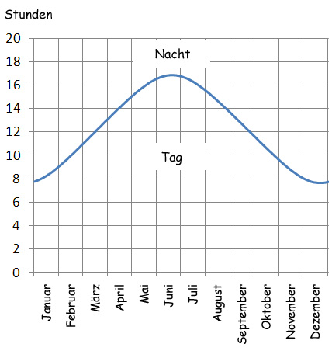

 | Settings Day Fractions and Sun Penetration |  |  |  |  |  |  |  |  |  |  |  |  |  |  |  | Persons Presence (termal energy considered in economics)
input |  |  |  |  |  |  |  |  |  |  |  |  |  |  |  | input

 | Night / Day Fractions |  |  |  |  |  |  |  |  |  |  |  |  |  |  |  | Persons Presence

 |  |  | Jan | Feb | Mar | Apr | Mai | Jun | Jul | Aug | Sep | Okt | Nov | Dez |  |  |  | Night | Jan | Feb | Mar | Apr | Mai | Jun | Jul | Aug | Sep | Okt | Nov | Dez
 |  | Night / h | 12.0 | 12.0 | 12.0 | 12.0 | 12.0 | 12.0 | 12.0 | 12.0 | 12.0 | 12.0 | 12.0 | 12.0 |  |  |  | Attic Floor / W | 1 | 1 | 1 | 1 | 1 | 1 | 1 | 1 | 1 | 1 | 1 | 1
 |  | Day / h | 12.0 | 12.0 | 12.0 | 12.0 | 12.0 | 12.0 | 12.0 | 12.0 | 12.0 | 12.0 | 12.0 | 12.0 |  |  |  | First Floor / W | 2 | 2 | 2 | 2 | 2 | 2 | 2 | 2 | 2 | 2 | 2 | 2
 |  | Days / Month | 31 | 28.25 | 31 | 30 | 31 | 30 | 31 | 31 | 30 | 31 | 30 | 31 |  |  |  | Ground Floor / W | 2 | 2 | 2 | 2 | 2 | 2 | 2 | 2 | 2 | 2 | 2 | 2
 |  |  |  |  |  |  |  |  |  |  |  |  |  |  |  |  |  | Basement / W | 0 | 0 | 0 | 0 | 0 | 0 | 0 | 0 | 0 | 0 | 0 | 0
input
 |  |  |  |  |  |  |  |  |  |  |  |  |  |  |  | input
 | Solar Yields |  |  | consideration | off |  |  |  |  |  |  |  | Solar Panel Efficiency / % | 20.0
 |  |  |  |  |  |  |  |  |  |  |  |  |  |  |  |  | Persons Presence
 |  | electrical yield | Jan | Feb | Mar | Apr | Mai | Jun | Jul | Aug | Sep | Okt | Nov | Dez
 |  | kWh/kWp | 49.5 | 66.7 | 100.6 | 116.5 | 121.1 | 123.9 | 126.4 | 120.5 | 101.6 | 77.6 | 50.3 | 41.4 |  |  |  | Day | Jan | Feb | Mar | Apr | Mai | Jun | Jul | Aug | Sep | Okt | Nov | Dez
 |  |  |  |  |  |  |  |  |  |  |  |  |  |  |  |  |  | Attic Floor / W | 0 | 0 | 0 | 0 | 0 | 0 | 0 | 0 | 0 | 0 | 0 | 0
 |  | thermal kWh/m2 | 247.5 | 333.5 | 503.0 | 582.5 | 605.5 | 619.5 | 632.0 | 602.5 | 508.0 | 388.0 | 251.5 | 207.0 |  |  |  | First Floor / W | 2 | 2 | 2 | 2 | 2 | 2 | 2 | 2 | 2 | 2 | 2 | 2
 |  |  |  |  |  |  |  |  |  |  |  |  |  |  |  |  |  | Ground Floor / W | 1 | 1 | 1 | 1 | 1 | 1 | 1 | 1 | 1 | 1 | 1 | 1
 |  | Windows |  |  |  |  |  |  |  |  |  |  |  |  |  |  |  | Basement / W | 0 | 0 | 0 | 0 | 0 | 0 | 0 | 0 | 0 | 0 | 0 | 0
 |  | Exposition Area | Jan | Feb | Mar | Apr | Mai | Jun | Jul | Aug | Sep | Okt | Nov | Dez
 |  | Attic Floor / m2 | 2.0 | 2.0 | 2.0 | 1.0 | 0.0 | 0.0 | 0.0 | 0.0 | 1.0 | 2.0 | 2.0 | 2.0
 |  | First Floor / m2 | 3.0 | 3.0 | 3.0 | 1.0 | 0.0 | 0.0 | 0.0 | 0.0 | 1.0 | 3.0 | 3.0 | 3.0
 |  | Ground Floor / m2 | 3.0 | 3.0 | 3.0 | 1.0 | 0.0 | 0.0 | 0.0 | 0.0 | 1.0 | 3.0 | 3.0 | 3.0 |  |  | Persons Thermal ouput |  |  |  |  | consideration | off |  |  |  |  |  | Wattage per Person / W | 60
 |  | Basement / m2 | 0.3 | 0.3 | 0.3 | 0.3 | 0.3 | 0.3 | 0.3 | 0.3 | 0.3 | 0.3 | 0.3 | 0.3
 |  |  |  |  |  |  |  |  |  |  |  |  |  |  |  |  |  | Night | Jan | Feb | Mar | Apr | Mai | Jun | Jul | Aug | Sep | Okt | Nov | Dez
 |  |  |  |  |  |  |  |  |  |  |  |  | Penetration Coefficient / % | 30 |  |  |  | Attic Floor / kWh | 0 | 0 | 0 | 0 | 0 | 0 | 0 | 0 | 0 | 0 | 0 | 0
 |  | thermal yield | Jan | Feb | Mar | Apr | Mai | Jun | Jul | Aug | Sep | Okt | Nov | Dez | Sum |  |  | First Floor / kWh | 0 | 0 | 0 | 0 | 0 | 0 | 0 | 0 | 0 | 0 | 0 | 0
 |  | Attic Floor / kWh | 0 | 0 | 0 | 0 | 0 | 0 | 0 | 0 | 0 | 0 | 0 | 0 | 0 |  |  | Ground Floor / kWh | 0 | 0 | 0 | 0 | 0 | 0 | 0 | 0 | 0 | 0 | 0 | 0
 |  | First Floor / kWh | 0 | 0 | 0 | 0 | 0 | 0 | 0 | 0 | 0 | 0 | 0 | 0 | 0 |  |  | Basement / kWh | 0 | 0 | 0 | 0 | 0 | 0 | 0 | 0 | 0 | 0 | 0 | 0
 |  | Ground Floor / kWh | 0 | 0 | 0 | 0 | 0 | 0 | 0 | 0 | 0 | 0 | 0 | 0 | 0
 |  | Basement / kWh | 0 | 0 | 0 | 0 | 0 | 0 | 0 | 0 | 0 | 0 | 0 | 0 | 0

 |  | Total / kWh | 0 | 0 | 0 | 0 | 0 | 0 | 0 | 0 | 0 | 0 | 0 | 0 | 0 |  | Persons Thermal ouput |  |  |  |  | consideration | off |  |  |  |  |  | Wattage per Person / W | 60

 |  | Total Year / kWh |  |  |  |  |  |  |  |  |  |  |  |  | 0 |  |  | Day | Jan | Feb | Mar | Apr | Mai | Jun | Jul | Aug | Sep | Okt | Nov | Dez
 |  |  |  |  |  |  |  |  |  |  |  |  |  |  |  |  |  | Attic Floor / kWh | 0 | 0 | 0 | 0 | 0 | 0 | 0 | 0 | 0 | 0 | 0 | 0
 |  |  |  |  |  |  |  |  |  |  |  |  |  |  |  |  |  | First Floor / kWh | 0 | 0 | 0 | 0 | 0 | 0 | 0 | 0 | 0 | 0 | 0 | 0
 |  |  |  |  |  |  |  |  |  |  |  |  |  |  |  |  |  | Ground Floor / kWh | 0 | 0 | 0 | 0 | 0 | 0 | 0 | 0 | 0 | 0 | 0 | 0
 |  |  |  |  |  |  |  |  |  |  |  |  |  |  |  |  |  | Basement / kWh | 0 | 0 | 0 | 0 | 0 | 0 | 0 | 0 | 0 | 0 | 0 | 0

 |  |  |  |  |  |  |  |  |  |  |  |  |  |  |  |  | Total Thermal energy from Persons

 |  |  |  |  |  |  |  |  |  |  |  |  |  |  |  |  |  | Year | Jan | Feb | Mar | Apr | Mai | Jun | Jul | Aug | Sep | Okt | Nov | Dez | Sum
 |  |  |  |  |  |  |  |  |  |  |  |  |  |  |  |  |  | Attic Floor / kWh | 0 | 0 | 0 | 0 | 0 | 0 | 0 | 0 | 0 | 0 | 0 | 0 | 0
 |  |  |  |  |  |  |  |  |  |  |  |  |  |  |  |  |  | First Floor / kWh | 0 | 0 | 0 | 0 | 0 | 0 | 0 | 0 | 0 | 0 | 0 | 0 | 0
 |  |  |  |  |  |  |  |  |  |  |  |  |  |  |  |  |  | Ground Floor / kWh | 0 | 0 | 0 | 0 | 0 | 0 | 0 | 0 | 0 | 0 | 0 | 0 | 0
 |  |  |  |  |  |  |  |  |  |  |  |  |  |  |  |  |  | Basement / kWh | 0 | 0 | 0 | 0 | 0 | 0 | 0 | 0 | 0 | 0 | 0 | 0 | 0

 |  |  |  |  |  |  |  |  |  |  |  |  |  |  |  |  |  | Total / kWh | 0 | 0 | 0 | 0 | 0 | 0 | 0 | 0 | 0 | 0 | 0 | 0 | 0

 |  |  |  |  |  |  |  |  |  |  |  |  |  |  |  |  |  | Total Year / kWh |  |  |  |  |  |  |  |  |  |  |  |  | 0

 |  |  |  |  |  |  |  |  |  |  |  |  |  |  |  |  |  |  |  |  |  |  |  |  |  |  |  |  |  |  |  | 15.8 | 14.5 | 12 | 10 | 8 | 7.3 | 7.7 | 9.5 | 11.5 | 13.5 | 15.5 | 16.2
 |  |  |  |  |  |  |  |  |  |  |  |  |  |  |  |  |  |  |  |  |  |  |  |  |  |  |  |  |  |  |  | 8.2 | 9.5 | 12 | 14 | 16 | 16.7 | 16.3 | 14.5 | 12.5 | 10.5 | 8.5 | 7.8
 |  |  |  |  |  |  |  |  |  |  |  |  |  |  |  |  |  |  |  |  |  |  |  |  |  |  |  |  |  |  |  | 31 | 28.25 | 31 | 30 | 31 | 30 | 31 | 31 | 30 | 31 | 30 | 31

